Form Responses 1
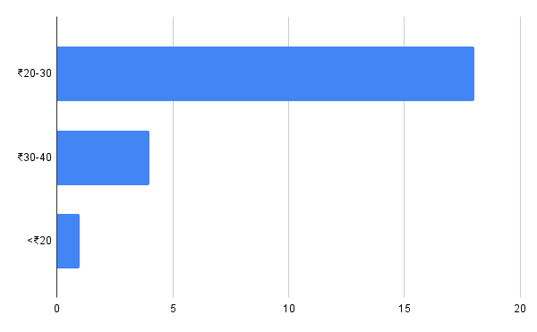
Timestamp | Email Address | What problems do you face with your current mode of short-distance travel? (Select all that apply) | What is your age group? | What is your primary mode of daily transportation? (Select all that apply) | Would you use a bicycle or e-bike for short distance commutes or on a longer distance rental basis? | How much would you be willing to pay for a 10-15 min ride? | What concerns would stop you from using a rental bicycle/e-bike service? (Select all that apply) | Column 8
9/14/2025 | scamriddha.07@gmail.com | Too costly, Ease of access, Time-consuming, Not eco-friendly | 18-24 | Rickshaw, Bus/Train | Yes | ₹20-30 | What concerns would stop you from using a rental bicycle/e-bike service? (Select all that apply)
9/14/2025 | d1228j@gmail.com | Too costly, Ease of access | 18-24 | Bus/Train | Yes | ₹20-30 | What concerns would stop you from using a rental bicycle/e-bike service? (Select all that apply)
9/14/2025 | gauravp2711@gmail.com | Too costly, Not eco-friendly | 18-24 | Rickshaw | Yes | ₹20-30 | What concerns would stop you from using a rental bicycle/e-bike service? (Select all that apply)
9/14/2025 | jayantrg@gmail.com | Safety Concerns, Not eco-friendly | 45+ | Rickshaw, Motorcycle | No | ₹30-40 | What concerns would stop you from using a rental bicycle/e-bike service? (Select all that apply)
9/15/2025 | pranavgadge3@gmail.com | Too costly, Time-consuming, Safety Concerns | 18-24 | Rickshaw, Motorcycle, Bus/Train | Yes | ₹20-30 | What concerns would stop you from using a rental bicycle/e-bike service? (Select all that apply)
9/15/2025 | yashbudhi@gmail.com | Time-consuming | 18-24 | Bus/Train | Yes | ₹20-30 | What concerns would stop you from using a rental bicycle/e-bike service? (Select all that apply)
9/15/2025 | keertanarane@gmail.com | Time-consuming | 18-24 | Ride Sharing, Walking | Yes | <₹20 | What concerns would stop you from using a rental bicycle/e-bike service? (Select all that apply)
9/15/2025 | vedgadge1906@gmail.com | Too costly, Time-consuming | 18-24 | Rickshaw, Bus/Train | No | ₹20-30 | What concerns would stop you from using a rental bicycle/e-bike service? (Select all that apply)
9/15/2025 | aditisingh29sep@gmail.com | Too costly | 18-24 | Rickshaw, Bus/Train, Cab Services | No | ₹30-40 | What concerns would stop you from using a rental bicycle/e-bike service? (Select all that apply)
9/15/2025 | sejaljain31@gmail.com | Too costly, Time-consuming, Not eco-friendly | 35-44 | Motorcycle, Cab Services | No | ₹30-40 | What concerns would stop you from using a rental bicycle/e-bike service? (Select all that apply)
9/15/2025 | kairavt100@gmail.com | Ease of access | 25-34 | Cab Services | Yes | ₹20-30 | What concerns would stop you from using a rental bicycle/e-bike service? (Select all that apply)
9/15/2025 | dattasemailid@gmail.com | Ease of access, Safety Concerns | 45+ | Rickshaw, Cab Services | No | ₹30-40 | What concerns would stop you from using a rental bicycle/e-bike service? (Select all that apply)
9/15/2025 | gangwani.akhil@gmail.com | Too costly | 18-24 | Rickshaw, Bus/Train, Ride Sharing | Yes | ₹20-30 | What concerns would stop you from using a rental bicycle/e-bike service? (Select all that apply)
9/15/2025 | himeshkhialani@gmail.com | Not eco-friendly | 18-24 | Rickshaw, Motorcycle, Bus/Train | Yes | ₹20-30 | What concerns would stop you from using a rental bicycle/e-bike service? (Select all that apply)
9/15/2025 | gangwanisujal0@gmail.com | Ease of access | 18-24 | Motorcycle | Yes | ₹20-30 | What concerns would stop you from using a rental bicycle/e-bike service? (Select all that apply)
9/15/2025 | br.swaroop04@gmail.com | Too costly, Ease of access, Safety Concerns | 18-24 | Rickshaw, Bus/Train, Ride Sharing | No | ₹20-30 | What concerns would stop you from using a rental bicycle/e-bike service? (Select all that apply)
9/15/2025 | narusashu@gmail.com | Too costly, Ease of access, Safety Concerns | 18-24 | Rickshaw, Bus/Train, Ride Sharing | Yes | ₹20-30 | What concerns would stop you from using a rental bicycle/e-bike service? (Select all that apply)
9/15/2025 | narendrab88@gmail.com | Too costly, Ease of access, Time-consuming | 45+ | Rickshaw, Motorcycle, Bus/Train, Ride Sharing | Yes | ₹20-30 | What concerns would stop you from using a rental bicycle/e-bike service? (Select all that apply)
9/15/2025 | y07169050@gmail.com | Too costly, Ease of access, Time-consuming, Safety Concerns | 25-34 | Rickshaw, Motorcycle, Ride Sharing, Cab Services | Yes | ₹20-30 | What concerns would stop you from using a rental bicycle/e-bike service? (Select all that apply)
9/15/2025 | guptasuraj5419@gmail.com | Too costly | 18-24 | Bus/Train | No | ₹20-30 | What concerns would stop you from using a rental bicycle/e-bike service? (Select all that apply)
9/15/2025 | thewhitewolff2409@gmail.com | Time-consuming | 18-24 | Rickshaw, Bus/Train | Yes | ₹20-30 | What concerns would stop you from using a rental bicycle/e-bike service? (Select all that apply)
9/15/2025 | sbjain1709@gmail.com | Too costly, Ease of access, Time-consuming | 18-24 | Rickshaw, Motorcycle, Bus/Train | Yes | ₹20-30 | What concerns would stop you from using a rental bicycle/e-bike service? (Select all that apply)
9/18/2025 | tasmiya.mubina.khan@gmail.com | Time-consuming | 18-24 | Rickshaw, Bus/Train, Cab Services | Yes | ₹20-30 | What concerns would stop you from using a rental bicycle/e-bike service? (Select all that apply)

Age Group Distribution:
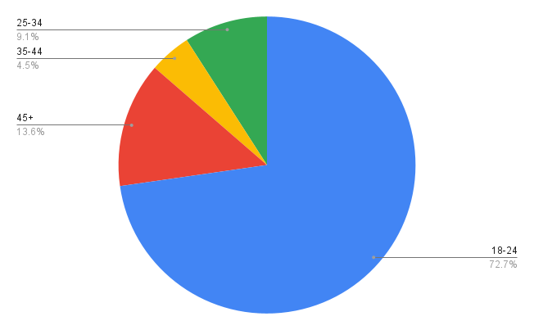

Primarry Mode Of Transportation:
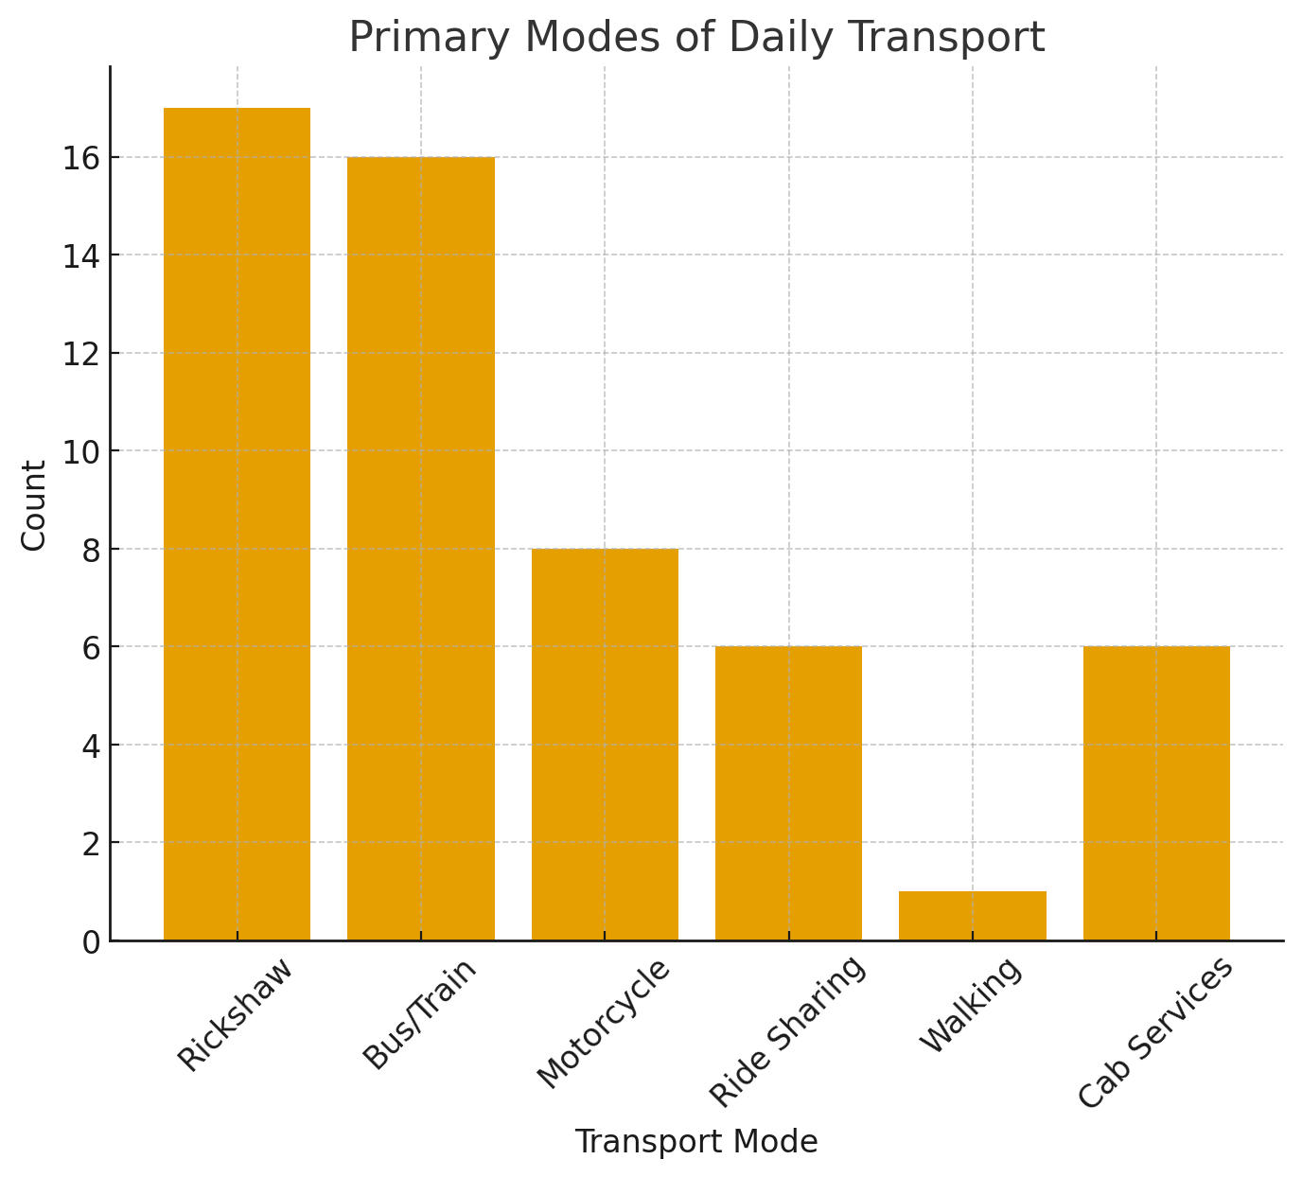

Preffered Price Range:

